Лист1
ID | Project | Category | View Status | Date Submitted | Last Update
6 | Black Book | bugtracker | public | 2023-04-15 | 2023-04-15

Reporter | Shalabai A.O. | Assigned To
Priority | urgent | Severity | critical | Reproducibility | sometimes
Status | new | Resolution | open
Platform |  | OS | Windows | OS Version | 10x64

Summary | The character's main item (black book) suddenly changes its location when using it and is not where it should be during battle
Description | The character's main item (black book) suddenly changes its location when using it and is not where it should be during battle
Steps To Reproduce | 1. Begin the battle in the some locations 2. Pay attention to the characters's main item (black book)
Additional Information | Video in folder
Tags
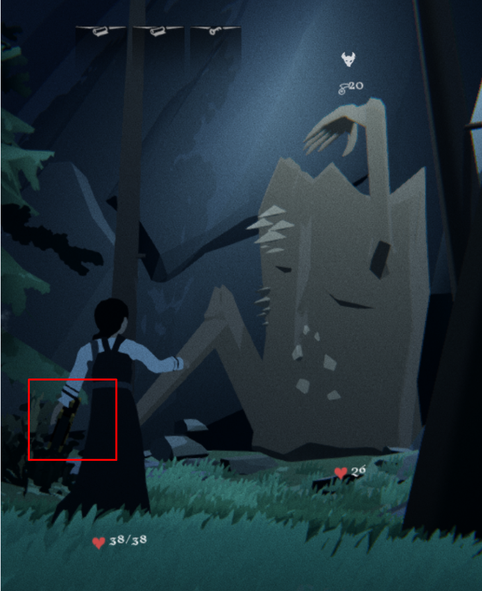 Attached Files | 